Month-End ExRate
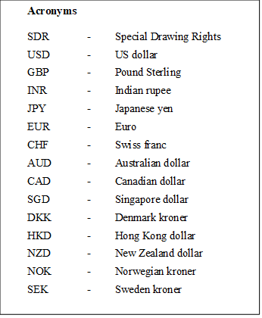
 | End of the Month Exchange Rates
 | (Sri Lanka Rupees per Unit of Foreign Currency)

Year | Month | SDR | USD | GBP | INR | JPY | EUR | CHF | AUD | CAD | SGD | DKK | HKD | NZD | NOK | SEK

2023 | January | 488.3349 | 362.1400 | 447.5869 | 4.4393 | 2.7837 | 393.0305 | 391.778 | 255.3449 | 270.3546 | 275.6432 | 52.8405 | 46.2149 | 233.9968 | 36.3000 | 34.8068
 | February | 480.5327 | 361.6318 | 435.9833 | 4.3741 | 2.6549 | 383.0766 | 386.235 | 243.9568 | 266.3856 | 268.4421 | 51.4639 | 46.0848 | 223.0183 | 34.9288 | 34.7461
 | March | 440.2745 | 327.2857 | 405.9652 | 3.9876 | 2.4620 | 357.1014 | 358.1982 | 220.1978 | 242.2185 | 246.6637 | 47.942 | 41.6948 | 205.8954 | 31.5573 | 31.6136
 | April | 433.2658 | 321.6500 | 401.8052 | 3.9359 | 2.3983 | 354.5226 | 359.8478 | 213.3022 | 236.4465 | 241.0085 | 47.561 | 40.9753 | 197.8469 | 30.2581 | 31.2417
 | May | 392.2924 | 295.5211 | 366.1950 | 3.5719 | 2.1134 | 316.4292 | 325.5713 | 192.0444 | 216.6498 | 218.3788 | 42.4846 | 37.7337 | 177.6525 | 26.2895 | 27.1097
 | June | 412.3097 | 308.8300 | 393.0325 | 3.7650 | 2.1449 | 337.9836 | 345.1386 | 205.0477 | 233.7585 | 228.6867 | 45.3895 | 39.4356 | 189.0966 | 28.5275 | 28.7254
 | July | 442.3062 | 329.3566 | 423.1903 | 4.0042 | 2.3272 | 362.6546 | 378.0060 | 219.8785 | 248.5898 | 247.3669 | 48.6620 | 42.2271 | 203.4271 | 32.2695 | 31.2302
 | August | 429.1230 | 322.6634 | 410.5569 | 3.9039 | 2.2119 | 352.5420 | 367.4982 | 209.5376 | 238.48 | 239.0896 | 47.3037 | 41.1233 | 192.5655 | 30.4700 | 29.7714
 | September | 425.4289 | 324.4478 | 394.0094 | 3.8966 | 2.1774 | 342.6493 | 353.8530 | 207.3221 | 239.9939 | 236.8146 | 45.9532 | 41.4776 | 192.5598 | 29.9679 | 29.4794
 | October | 430.2254 | 327.3817 | 397.7688 | 3.9324 | 2.1896 | 347.1228 | 362.7900 | 208.2311 | 236.5817 | 239.7874 | 46.5018 | 41.8435 | 191.0600 | 29.3438 | 29.3357
 | November | 438.7088 | 329.0423 | 417.8179 | 3.9479 | 2.2370 | 361.0910 | 377.1258 | 218.0563 | 242.1387 | 247.0380 | 48.4292 | 42.1376 | 203.0520 | 30.8732 | 31.7851
 | December | 434.5982 | 323.9233 | 412.6135 | 3.8964 | 2.2911 | 358.7451 | 384.4787 | 221.6283 | 244.9048 | 245.7502 | 48.1291 | 41.4508 | 205.6103 | 31.7924 | 32.4654

2024 | January | 422.1157 | 317.4089 | 402.3158 | 3.8184 | 2.1496 | 343.4364 | 367.8397 | 208.3155 | 236.4752 | 236.6957 | 46.0701 | 40.5974 | 194.0638 | 30.2994 | 30.4152
 | February | 411.7470 | 310.1532 | 392.8245 | 3.7411 | 2.0687 | 336.0355 | 353.129 | 201.8942 | 228.4906 | 230.6400 | 45.0830 | 39.6225 | 189.3175 | 29.2968 | 30.0080
 | March | 398.5955 | 301.1837 | 380.5155 | 3.6146 | 1.9909 | 326.0314 | 333.002 | 196.9139 | 221.8991 | 223.6291 | 43.7179 | 38.4921 | 180.7102 | 27.9400 | 28.3606
 | April | 391.2356 | 296.8561 | 372.4357 | 3.5573 | 1.8934 | 317.7399 | 325.6429 | 194.1439 | 217.0477 | 218.0841 | 42.6043 | 37.9318 | 176.8669 | 26.9434 | 27.0934

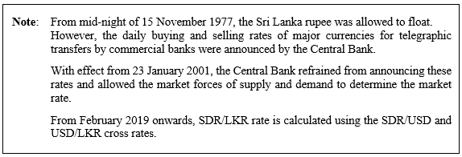
 |  |  |  |  |  |  |  |  |  |  |  | Source: International Finance Statistics
 |  |  |  |  |  |  |  |  |  |  |  | Central Bank of Sri Lanka

