Month-End ExRate
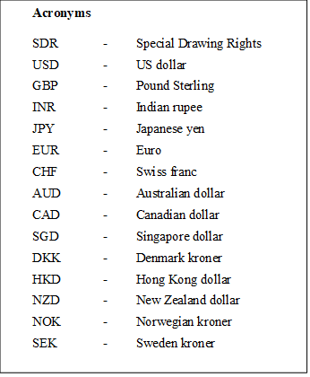
 | End of the Month Exchange Rates
 | (Sri Lanka Rupees per Unit of Foreign Currency)

Year | Month | SDR | USD | GBP | INR | JPY | EUR | CHF | AUD | CAD | SGD | DKK | HKD | NZD | NOK | SEK

2022 | January | 280.0136 | 201.1910 | 269.8374 | 2.6805 | 1.7412 | 224.4990 | 216.0208 | 141.0349 | 157.865 | 148.4476 | 30.1606 | 25.8065 | 132.0014 | 22.4594 | 21.3583
 | February | 280.4465 | 201.0571 | 268.6223 | 2.6781 | 1.7405 | 224.5004 | 216.8316 | 144.3892 | 157.2478 | 147.983 | 30.1702 | 25.733 | 134.3966 | 22.4163 | 21.016
 | March | 413.3376 | 299.0000 | 392.5272 | 3.9432 | 2.4497 | 334.0279 | 323.8735 | 224.3995 | 239.0948 | 221.0476 | 44.9074 | 38.1943 | 208.418 | 34.8136 | 32.3457
 | April | 459.5490 | 341.8500 | 426.4579 | 4.4617 | 2.6140 | 359.4553 | 351.8785 | 243.3117 | 267.3627 | 246.6539 | 48.302 | 43.5625 | 222.0658 | 36.3831 | 34.6971
 | May | 486.9178 | 360.7600 | 455.2791 | 4.6458 | 2.8179 | 387.7448 | 375.8308 | 259.0798 | 284.8143 | 263.4823 | 52.1183 | 45.9669 | 235.5943 | 38.2287 | 36.8683
 | June | 477.8391 | 359.8782 | 436.8741 | 4.5623 | 2.6350 | 376.2707 | 377.2506 | 248.3879 | 279.4302 | 258.7284 | 50.5735 | 45.8616 | 224.1321 | 36.4269 | 35.2037
 | July | 477.5549 | 360.8000 | 439.0936 | 4.5305 | 2.6854 | 367.7995 | 378.1376 | 252.4337 | 281.655 | 261.5251 | 49.4118 | 45.9627 | 227.0154 | 37.0658 | 35.3436
 | August | 469.9763 | 361.1480 | 421.3153 | 4.5413 | 2.6067 | 361.9786 | 370.8647 | 247.8198 | 275.8961 | 258.3411 | 48.6663 | 46.0123 | 221.5101 | 36.8285 | 33.8309
 | September | 464.4685 | 362.9000 | 402.2747 | 4.4529 | 2.5077 | 355.7872 | 371.7857 | 235.4495 | 264.7359 | 253.0948 | 47.8466 | 46.2314 | 207.3248 | 33.8521 | 32.4273
 | October | 466.2193 | 363.3000 | 421.0284 | 4.4160 | 2.4523 | 361.4108 | 364.3201 | 233.0025 | 266.6911 | 257.1307 | 48.5572 | 46.2853 | 211.1681 | 35.0992 | 33.1183
 | November | 477.5335 | 363.1875 | 434.8444 | 4.4494 | 2.6184 | 375.6085 | 380.8394 | 242.8453 | 267.4035 | 264.2517 | 50.5041 | 46.5014 | 225.4305 | 36.3373 | 34.3363
 | December | 483.2413 | 363.1100 | 437.3478 | 4.3861 | 2.7385 | 386.9300 | 393.2741 | 245.6076 | 267.9482 | 270.0506 | 52.0357 | 46.572 | 229.4129 | 36.7071 | 34.6994

2023 | January | 488.3349 | 362.1400 | 447.5869 | 4.4393 | 2.7837 | 393.0305 | 391.778 | 255.3449 | 270.3546 | 275.6432 | 52.8405 | 46.2149 | 233.9968 | 36.3000 | 34.8068
 | February | 480.5327 | 361.6318 | 435.9833 | 4.3741 | 2.6549 | 383.0766 | 386.235 | 243.9568 | 266.3856 | 268.4421 | 51.4639 | 46.0848 | 223.0183 | 34.9288 | 34.7461
 | March | 440.2745 | 327.2857 | 405.9652 | 3.9876 | 2.4620 | 357.1014 | 358.1982 | 220.1978 | 242.2185 | 246.6637 | 47.942 | 41.6948 | 205.8954 | 31.5573 | 31.6136
 | April | 433.2658 | 321.6500 | 401.8052 | 3.9359 | 2.3983 | 354.5226 | 359.8478 | 213.3022 | 236.4465 | 241.0085 | 47.561 | 40.9753 | 197.8469 | 30.2581 | 31.2417
 | May | 392.2924 | 295.5211 | 366.1950 | 3.5719 | 2.1134 | 316.4292 | 325.5713 | 192.0444 | 216.6498 | 218.3788 | 42.4846 | 37.7337 | 177.6525 | 26.2895 | 27.1097

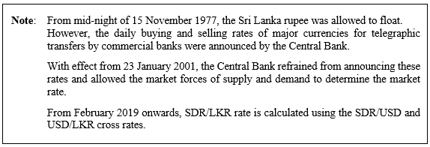
 |  |  |  |  |  |  |  |  |  |  |  | Source: International Finance Statistics
 |  |  |  |  |  |  |  |  |  |  |  | Central Bank of Sri Lanka

