Month-End ExRate
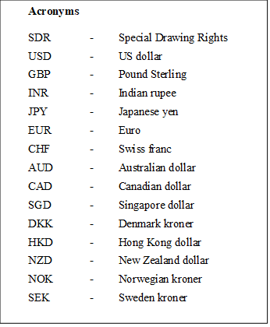
 | End of the Month Exchange Rates
 | (Sri Lanka Rupees per Unit of Foreign Currency)

Year | Month | SDR | USD | GBP | INR | JPY | EUR | CHF | AUD | CAD | SGD | DKK | HKD | NZD | NOK | SEK

2021 | January | 280.0840 | 194.3948 | 266.5444 | 2.6636 | 1.8609 | 235.3343 | 218.5685 | 148.8092 | 151.2741 | 146.0901 | 31.6431 | 25.0748 | 139.2353 | 22.5455 | 23.2613
 | February | 280.6673 | 194.0119 | 274.3037 | 2.6827 | 1.8300 | 235.9476 | 213.964 | 154.5014 | 155.0669 | 147.0567 | 31.7306 | 25.0198 | 144.0538 | 23.1463 | 23.4355
 | March | 282.0782 | 199.0377 | 273.2290 | 2.6103 | 1.7987 | 233.0931 | 211.0015 | 151.3284 | 157.6724 | 147.7747 | 31.3406 | 25.5992 | 138.8985 | 23.2616 | 22.7699
 | April | 286.5428 | 199.5437 | 278.3136 | 2.6929 | 1.8348 | 241.8270 | 219.5925 | 155.0754 | 162.5213 | 150.4798 | 32.5212 | 25.701 | 144.5894 | 24.3405 | 23.8074
 | May | 288.2117 | 199.5000 | 283.2800 | 2.7551 | 1.8194 | 243.3900 | 221.9132 | 154.1537 | 165.2106 | 150.8792 | 32.7277 | 25.704 | 144.6974 | 23.8833 | 24.0178
 | June | 286.9074 | 201.1381 | 278.7372 | 2.7071 | 1.8204 | 239.4851 | 218.4503 | 151.276 | 162.3391 | 149.6062 | 32.2055 | 25.9057 | 140.8168 | 23.5134 | 23.596
 | July | 285.6111 | 199.9000 | 278.9505 | 2.6910 | 1.8257 | 237.5312 | 220.5063 | 147.7861 | 160.472 | 147.7348 | 31.9349 | 25.7169 | 140 | 22.8376 | 23.3503
 | August | 299.0946 | 210.0000 | 289.0650 | 2.8606 | 1.9116 | 247.9470 | 229.1701 | 153.174 | 166.4289 | 156.1396 | 33.3415 | 26.972 | 147.546 | 24.2081 | 24.3538
 | September | 281.7539 | 199.9857 | 268.9608 | 2.6897 | 1.7884 | 232.1034 | 214.2207 | 143.9897 | 156.9931 | 146.9403 | 31.2122 | 25.6879 | 137.6702 | 22.8125 | 22.7202
 | October | 285.7235 | 201.8705 | 278.3895 | 2.6992 | 1.7780 | 235.6737 | 221.4099 | 152.2305 | 163.3917 | 150.2069 | 31.6809 | 25.9557 | 144.9632 | 24.1980 | 23.7065
 | November | 283.0280 | 202.0474 | 269.2383 | 2.6920 | 1.7776 | 228.3338 | 219.0453 | 144.4841 | 158.6241 | 147.7009 | 30.7042 | 25.9083 | 138.0085 | 22.4338 | 22.3018
 | December | 280.5251 | 200.4338 | 270.5957 | 2.6935 | 1.7415 | 226.8610 | 219.233 | 145.3546 | 157.2338 | 148.3212 | 30.5042 | 25.7024 | 136.786 | 22.7039 | 22.1511

2022 | January | 280.0136 | 201.1910 | 269.8374 | 2.6805 | 1.7412 | 224.4990 | 216.0208 | 141.0349 | 157.865 | 148.4476 | 30.1606 | 25.8065 | 132.0014 | 22.4594 | 21.3583
 | February | 280.4465 | 201.0571 | 268.6223 | 2.6781 | 1.7405 | 224.5004 | 216.8316 | 144.3892 | 157.2478 | 147.983 | 30.1702 | 25.733 | 134.3966 | 22.4163 | 21.016
 | March | 413.3376 | 299.0000 | 392.5272 | 3.9432 | 2.4497 | 334.0279 | 323.8735 | 224.3995 | 239.0948 | 221.0476 | 44.9074 | 38.1943 | 208.418 | 34.8136 | 32.3457
 | April | 459.5490 | 341.8500 | 426.4579 | 4.4617 | 2.6140 | 359.4553 | 351.8785 | 243.3117 | 267.3627 | 246.6539 | 48.302 | 43.5625 | 222.0658 | 36.3831 | 34.6971
 | May | 486.9178 | 360.7600 | 455.2791 | 4.6458 | 2.8179 | 387.7448 | 375.8308 | 259.0798 | 284.8143 | 263.4823 | 52.1183 | 45.9669 | 235.5943 | 38.2287 | 36.8683
 | June | 477.8391 | 359.8782 | 436.8741 | 4.5623 | 2.6350 | 376.2707 | 377.2506 | 248.3879 | 279.4302 | 258.7284 | 50.5735 | 45.8616 | 224.1321 | 36.4269 | 35.2037
 | July | 477.5549 | 360.8000 | 439.0936 | 4.5305 | 2.6854 | 367.7995 | 378.1376 | 252.4337 | 281.655 | 261.5251 | 49.4118 | 45.9627 | 227.0154 | 37.0658 | 35.3436
 | August | 469.9763 | 361.1480 | 421.3153 | 4.5413 | 2.6067 | 361.9786 | 370.8647 | 247.8198 | 275.8961 | 258.3411 | 48.6663 | 46.0123 | 221.5101 | 36.8285 | 33.8309
 | September | 464.4685 | 362.9000 | 402.2747 | 4.4529 | 2.5077 | 355.7872 | 371.7857 | 235.4495 | 264.7359 | 253.0948 | 47.8466 | 46.2314 | 207.3248 | 33.8521 | 32.4273
 | October | 466.2193 | 363.3000 | 421.0284 | 4.4160 | 2.4523 | 361.4108 | 364.3201 | 233.0025 | 266.6911 | 257.1307 | 48.5572 | 46.2853 | 211.1681 | 35.0992 | 33.1183
 | November | 477.5335 | 363.1875 | 434.8444 | 4.4494 | 2.6184 | 375.6085 | 380.8394 | 242.8453 | 267.4035 | 264.2517 | 50.5041 | 46.5014 | 225.4305 | 36.3373 | 34.3363

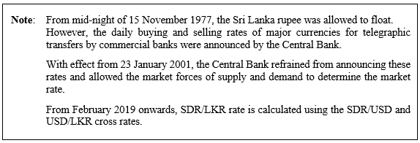
 |  |  |  |  |  |  |  |  |  |  |  | Source: International Finance Statistics
 |  |  |  |  |  |  |  |  |  |  |  | Central Bank of Sri Lanka

